Sheet1
 | Document No. |  | Issue No. | Issue Date |  | Review and Replace Date |  |  |  | Authorised By
 | GFF205MC |  | 1 | 10.09.2020 |  | New Issue |  |  |  | Magda Shah
 | Document Title |  | 6 CHILLI GARLIC CHICKEN WINGS WITH GARLIC MAYO 180g
Document amendments reason for change | New Product Launch |  |  |  | Page 1 of 1 |  | Previous Issue Date |  | New Issue | Uncontrolled copy unless signed original

CCGWI-R4TCC |  | CHEFS CREATION | 6 CHILLI GARLIC CHICKEN WINGS WITH GARLIC MAYO 180g | CHILLED
STEP 1 |  |  | STEP 2 |  |  |  |  | STEP 3
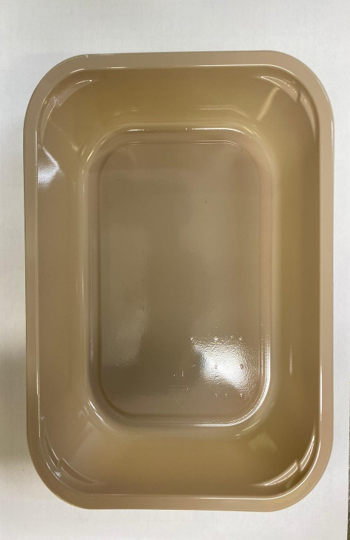 |  |  | 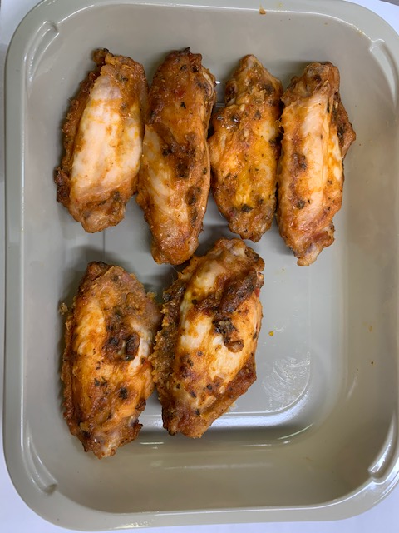 |  |  |  |  | 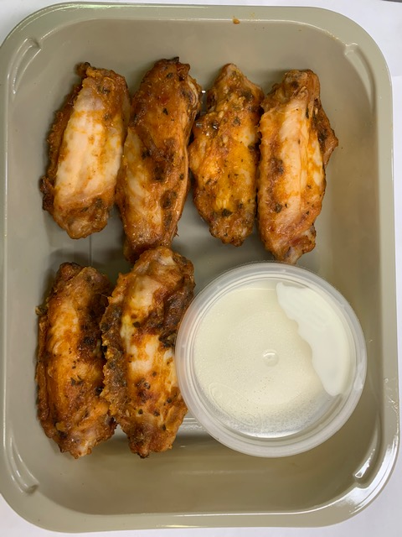

Tray: EVOLVE CPET 2200-1E (PKRHP001-08) |  |  | 6 x Garlic Chilli Chicken Wings (CC) (GFF315R): 140g |  |  |  |  | SQUEEZE'S GARLIC MAYONNAISE (RMSTA001-02): 40g
Line 1: Mylar 250LAF 250mm x 1000 (PKWRA001-08)
Line 1: K-Peel 75G + AF 25 250mm (PKKMP001-01)
Line 2: Mylar 25OLAF - 380mm wide (PKWRA001-02) |  |  |  |  |  |  |  | Satco 2oz Pots with Lids (PKJEN001-03)
TOTAL WEIGHT: 180g
ALLERGY ALERT: BARLEY, EGG, MILK, MUSTARD, SOYA, WHEAT

